Coord System
Improved Off-Axis Winston-Lutz Calculator |  |  |  |  |  |  |  |  | Version 1.4
Trigonometry Version

 | Methodology described here: |  |  |  | Eagle, A, Tallhamer, M, Keener, J, Geneser, S. A simplified and effective off-axis Winston–Lutz for single-isocenter multi-target SRS. J Appl Clin Med Phys. 2022;e13816. https://doi.org/10.1002/acm2.13816

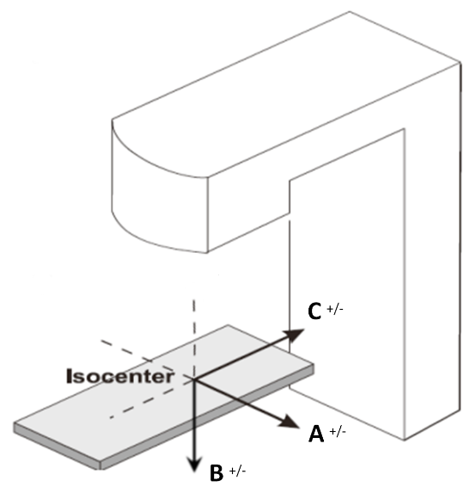
 | Step 1. Specify coordinate system axes.

 |  | Specify the axes for your TPS coordinate system. Use the provided diagram, and identify which TPS axis corresponds to A, B, and C.

 |  | A Axis: | +X |  |  |  |  |  |  | +X | X | TRUE | TRUE | 1
 |  | B Axis: | +Y |  |  |  |  |  |  | -X | Y | TRUE |  | 1
 |  | C Axis | +Z |  |  |  |  |  |  | +Y | Z | TRUE |  | 1
 |  |  |  |  |  |  |  |  |  | -Y
 |  | Duplicate axes selected. Please ensure that each axis is only selected once. |  |  |  |  |  |  |  | +Z
 |  |  |  |  |  |  |  |  |  | -Z

 | Step 2. Specify sign of rotations.

 |  | Specify whether angular rotations are positive or negative for your Treatment Planning System.
 |  | This can be determined empirically by using the right-hand rule (RHR).
 |  | Note that rotations are positive when clockwise while viewing the axis from negative to positve (i.e. pointing away from you). For this determination, use the A, B, and C axes as shown above.

 |  | Couch Angle: |  | ( Coord. System = BEV ) |  | Increasing couch values represent a… | Positive | rotation. |  | 1 | 1 |  |  |  | <select>
 |  | Gantry Angle: |  | ( Coord. System = TPS ) |  | Increasing gantry values represent a… | Positive | rotation. |  | 1 | 1 |  |  |  | Positive | 1
 |  | Collimator Angle: |  | ( Coord. System = BEV ) |  | Increasing coll. values represent a… | Positive | rotation. |  | 1 | 1 |  |  |  | Negative | -1

 |  | Go to "Calcs" tab…

